pi Network
Calculation for Pi matching network from W6SAI 22nd edition Radio Handbook Page 11.33
For class A/AB use Q=10, for class C or plate load > 3k use Q= [12,15]
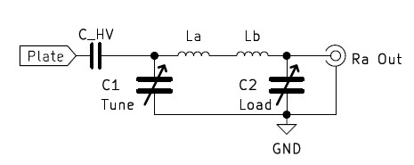
Input Parameters |  | intermediate calcs
Frequency (MHz) | 7.04 | RL plateload | 3750
Plate current (mA) | 28 | Xctune | -277.78
Plate voltage (V) | 210 | Xcload | -41.62
Ra Output Resistance (W) | 50 | XLa | 277.78
Q | 13.5 | XLb | 24.59
 |  | XL | 302.36
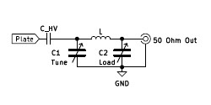
Output
Ctune pF | 81
Cload pF | 543
L mH | 6.84

© 2023 AI6XG www.AI6XG.com

pi-L Network
Calculation for Pi-L matching network from W6SAI 22nd edition Radio Handbook Page 11.36
For class A/AB use Q=10, for class C or plate load > 3k use Q= [12,15]
Better harmonic attentuation than Pi network
Calculate Pi network to an image resistance (300 - 700 W) then calculate L2 to load

Input Parameters |  | intermediate calcs
Frequency (MHz) | 7.04 | RL plateload | 3750
Plate current (mA) | 28 | Xctune | -277.78
Plate voltage (V) | 210 | XC2a | -108.12
Ri Image Resistance (W) | 550 | XC2b | -165.83
Ra Output Resistance (W) | 50 | Qi Image Q | 3.32
Q | 13.5 | XLa | 277.78
 |  | XLb | 104.10
Output |  | XL1 | 381.88
Ctune pF | 81 | XL2 | 165.83
Cload pF | 345 | C2a | 209
L1 mH | 8.63 | C2b | 136
L2 mH | 3.75

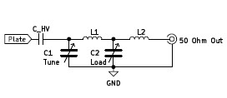

© 2023 AI6XG www.AI6XG.com

